ADDITIONAL INFO
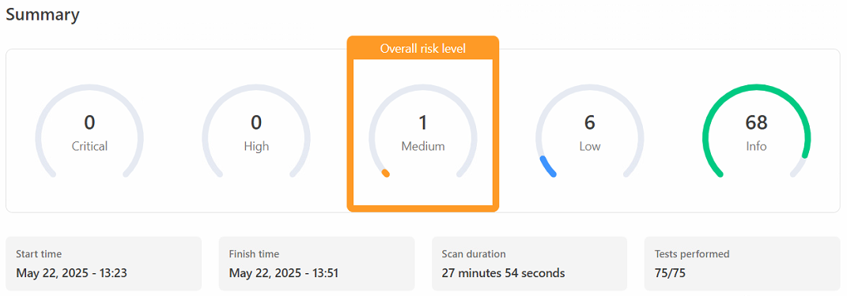

Additional Device Information
Medium - SSL/TLS: Server certificate comes default as an unsigned Pelco manufacturer certificate (and cannot be trusted, due to being self-signed). The certificate can be replaced via the web GUI, so this is not an issue. Low: Missing security header - Content-Security-Policy (CSP). CSP is used to prevent a variety of attacks, such as Cross-Site Scripting (XSS). It is recommended to set this header, as there are multiple variations available; select the one that provides the best protection for the resources on your webpages. Low: Missing security header - X-Content-Type-Options. Used to prevent MIME sniffing, recommendation is to set the header, i.e. X-Content-Type: nosniff. Low: Missing security header - Referrer-Policy. If the device sends the user to another website/service, the refer (i.e. the device's IP) will be seen. Setting the reffer-Policy header would shield the referer's information. This is not a major issue, as the camera does not have links to external services via it's webpage.

